Sheet1
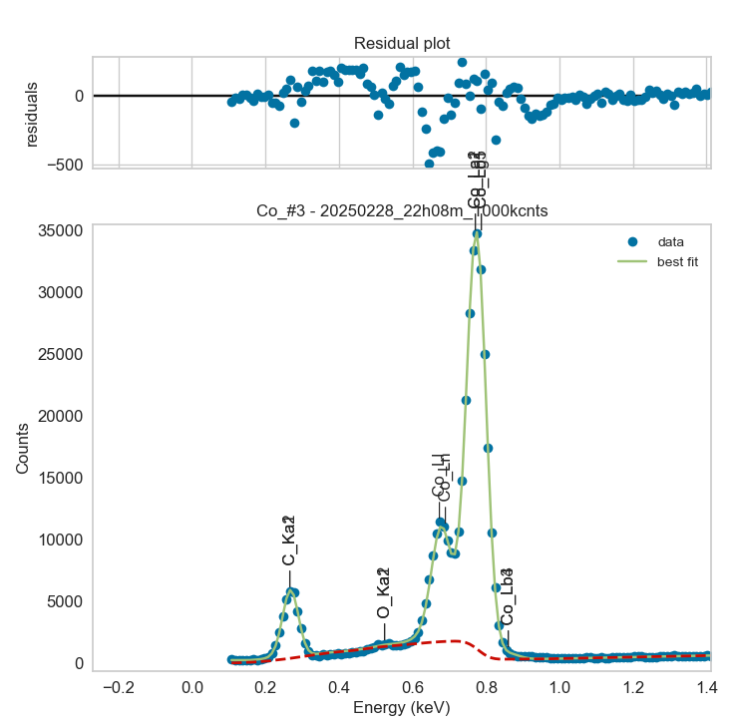
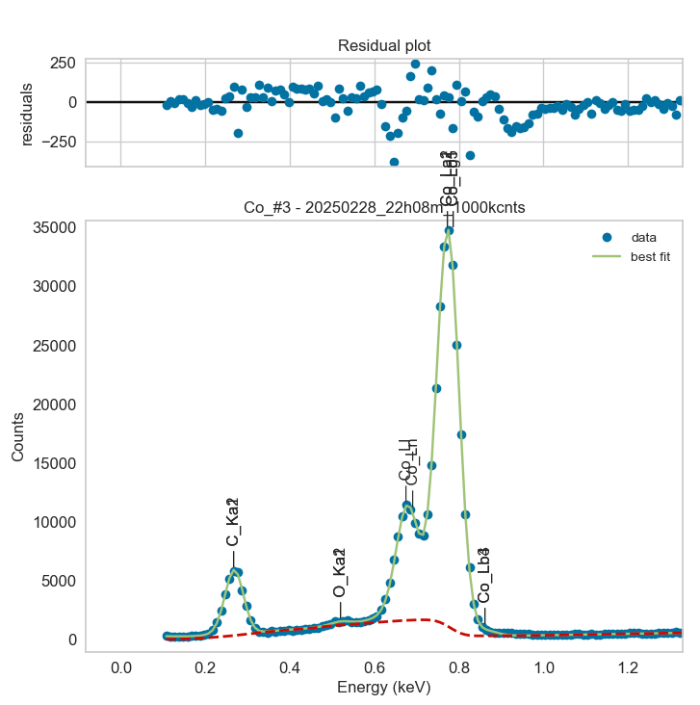
Weights calibrated measuring a pure Ti standard, bulk, polished
Area of all peaks is fitted
A constant shift is maintained across all peaks
Sigma is fixed for all peaks
Areas of peaks Lb1 and Lg5 fixed to previously fitted values

Co |  | Meas 1 | Meas 2 | Meas 3 | Meas 4 | Meas 5 | Meas 6 | Meas 7 | Meas 8 | Meas 9 | Meas 10
La1 |  | 1785.219 | 1783.22 | 1789.937 | 1797.119 | 1816.019 | 1782.777 | 1795.57 | 1803.711 | 1768.614 | 1775.796
Ll |  | 474.282 | 483.823 | 491.909 | 490.775 | 480.944 | 460.57 | 478.217 | 499.245 | 470.322 | 458.976
Ln |  | 88.939 | 81.116 | 69.319 | 61.207 | 94.519 | 98.757 | 78.172 | 76.642 | 92.364 | 90.209
Lb1 |  | 147.102 | 146.937 | 147.491 | 148.083 | 149.64 | 146.901 | 147.955 | 148.626 | 145.734 | 146.326
Lg5 |  | 3.071 | 3.067 | 3.079 | 3.091 | 3.124 | 3.066 | 3.088 | 3.102 | 3.042 | 3.054
Lb3 |  | 26.707 | 0.016 | 14.952 | 0 | 0.044 | 14.787 | 28.79 | 26.568 | 13.247 | 30.257
Lb4 |  | 0.102 | 25.825 | 14.954 | 27.202 | 26.264 | 14.787 | 0.019 | 0.023 | 13.135 | 0.015

Line | Original w | Meas 1 | Meas 2 | Meas 3 | Meas 4 | Meas 5 | Meas 6 | Meas 7 | Meas 8 | Meas 9 | Meas 10 | Mean | Stdev | Er (%)
La1 | 1 | 1.0000 | 1.0000 | 1.0000 | 1.0000 | 1.0000 | 1.0000 | 1.0000 | 1.0000 | 1.0000 | 1.0000 | 1.0000
Ll | 2.42E-01 | 0.2657 | 0.2713 | 0.2748 | 0.2731 | 0.2648 | 0.2583 | 0.2663 | 0.2768 | 0.2659 | 0.2585 | 0.2676 | 0.0064 | 2.38
Ln | 5.55E-02 | 0.0498 | 0.0455 | 0.0387 | 0.0341 | 0.0520 | 0.0554 | 0.0435 | 0.0425 | 0.0522 | 0.0508 | 0.0465 | 0.0068 | 14.59
Ll + Ln | 0.2975 | 0.3155 | 0.3168 | 0.3135 | 0.3071 | 0.3169 | 0.3137 | 0.3099 | 0.3193 | 0.3182 | 0.3093 | 0.3140 | 0.0041 | 1.30
Lb1 | 8.24E-02 | 0.0824 | 0.0824 | 0.0824 | 0.0824 | 0.0824 | 0.0824 | 0.0824 | 0.0824 | 0.0824 | 0.0824 | 0.0824 | 0.0000 | 0.00
Lg5 | 1.72E-03 | 0.0017 | 0.0017 | 0.0017 | 0.0017 | 0.0017 | 0.0017 | 0.0017 | 0.0017 | 0.0017 | 0.0017 | 0.0017 | 0.0000 | 0.01
Lb1 + Lg5 | 0.08412 | 0.0841 | 0.0841 | 0.0841 | 0.0841 | 0.0841 | 0.0841 | 0.0841 | 0.0841 | 0.0841 | 0.0841 | 0.0841 | 0.0000 | 0.00
Lb3 | 1.02E-02 | 0.0150 | 0.0000 | 0.0084 | 0.0000 | 0.0000 | 0.0083 | 0.0160 | 0.0147 | 0.0075 | 0.0170 | 0.0087 | 0.0069 | 79.24
Lb4 | 5.47E-03 | 0.0001 | 0.0145 | 0.0084 | 0.0151 | 0.0145 | 0.0083 | 0.0000 | 0.0000 | 0.0074 | 0.0000 | 0.0068 | 0.0065 | 94.71
Lb3 + Lb4 | 0.01567 | 0.0150 | 0.0145 | 0.0167 | 0.0151 | 0.0145 | 0.0166 | 0.0160 | 0.0147 | 0.0149 | 0.0170 | 0.0155 | 0.0010 | 6.32

The fitting of peaks Lb3 + Lb4 varies, but their sum is more or less constant |  |  |  |  |  |  | The fitting of peaks Ll + Ln varies, but their sum is more or less constant
So we use the original ratios to diustribute the sum among the 2 peaks, giving: |  |  |  |  |  |  | So we use the original ratios to diustribute the sum among the 2 peaks, giving:

 | Lb3 | Lb4 | Sum |  |  |  |  | Ll | Ln | Sum
Original ratio | 0.6509 | 0.3491 |  |  |  |  | Original ratio | 0.8134 | 0.1866
Resulting weights: | 0.0101 | 0.0054 | 0.0155 |  |  |  | Resulting weights: | 0.2554 | 0.0586 | 0.3140

 | Lb1 | Lg5 | Sum
Original ratio | 0.9796 | 0.0204
Resulting weights: | 0.0824 | 0.0017 | 0.0841

 |  | Without fixing the peaks above: |  |  |  |  |  |  |  |  | Fixing the peaks above:

